גיליון1
layer_taken_from_model | batch_size | optimizer | learning_rate | dropout
conv5_block13_concat | 64 | adam | 0.01 | 0.6 | 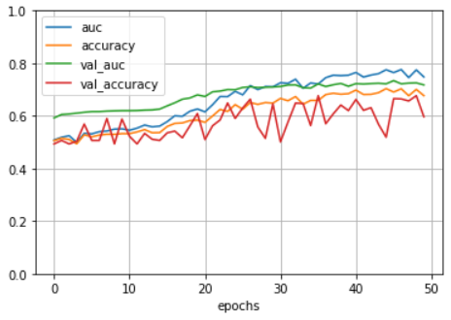
conv5_block13_concat | 64 | adam | 0.01 | 0.4 | 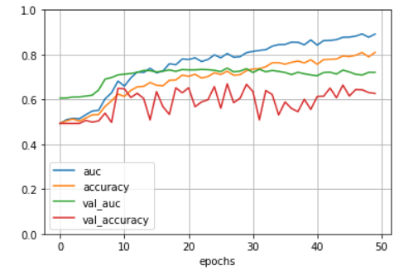
conv5_block13_concat | 128 | adam | 0.01 | 0.4 | 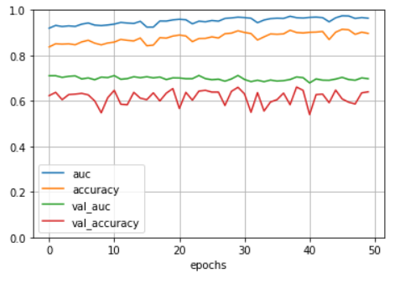
conv5_block13_concat | 32 | adam | 0.01 | 0.4 | 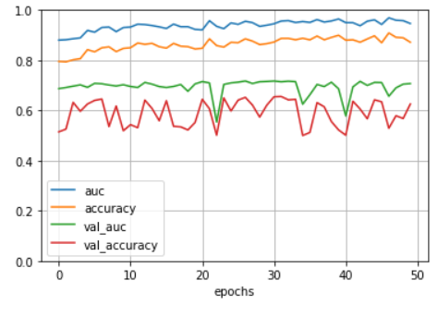
conv5_block13_concat | 32 | adam | 0.01 | 0.6

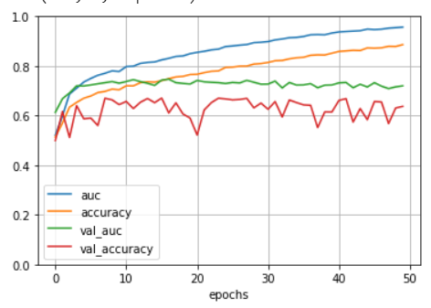
conv5_block8_concat | 128 | adm | 0.01 | 0.5

conv5_block8_concat | 64 | adam | 0.01 | 0.5

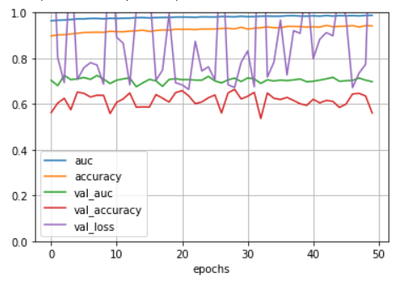
conv5_block8_concat | 32 | adam | 0.01 | 0.5

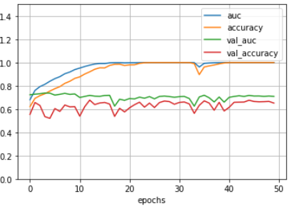
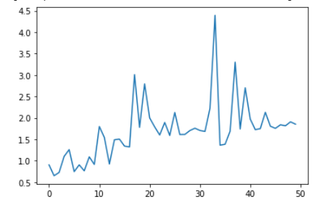
conv5_block8_concat | 128 | adam | 0.001 | 0

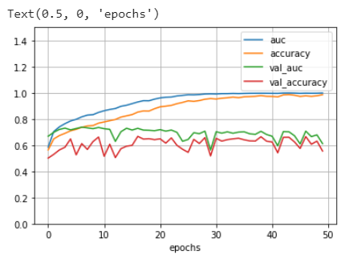
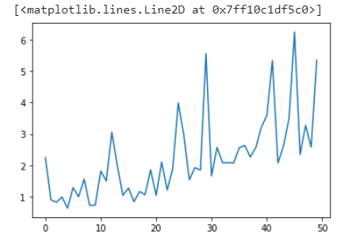
conv5_block8_concat | 128 | adam | 0.05 | 0

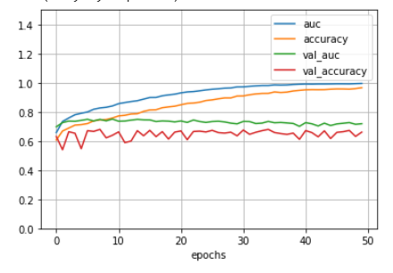
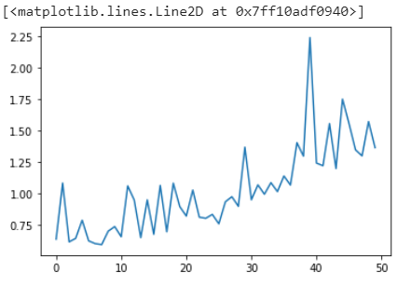
conv5_block8_concat | 128 | adam | 0.001 | 0.2

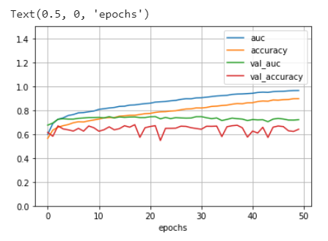
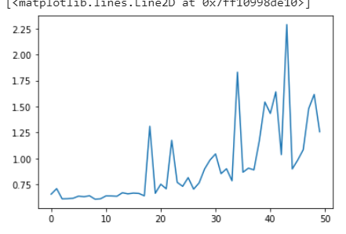
conv5_block8_concat | 128 | adam | 0.001 | 0.4

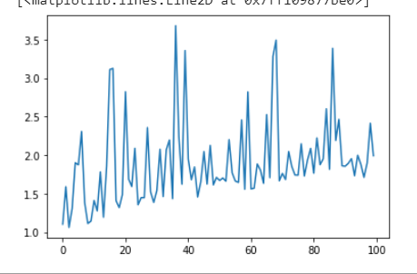
conv5_block8_concat | 128 | adam | 0.001 | 0.4 | epocs=100
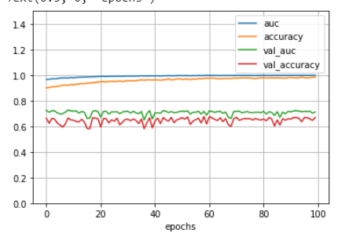

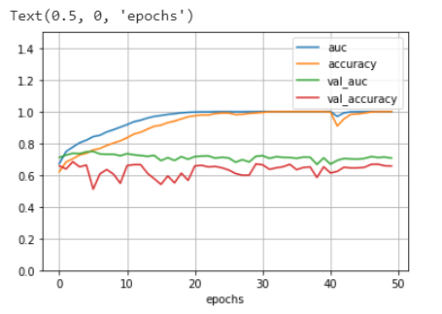
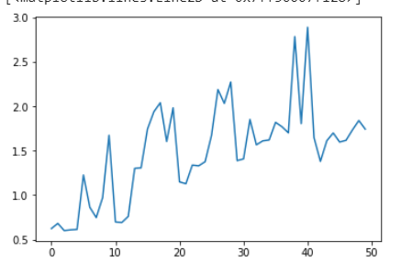
conv5_block13_concat | 128 | adam | 0.001 | 0

After change to: use_bias=False)
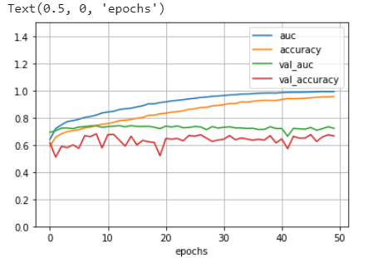
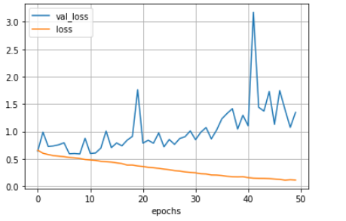
conv5_block13_concat | 256 | adam | 0.001 | 0.2

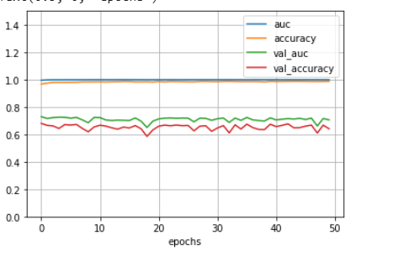
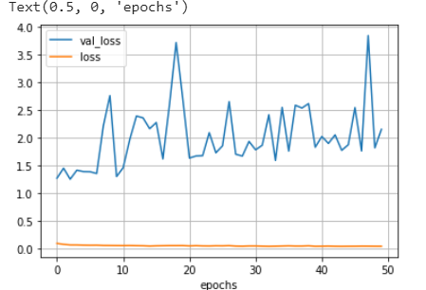
conv5_block13_concat | 512 | adam | 0.001 | 0.2

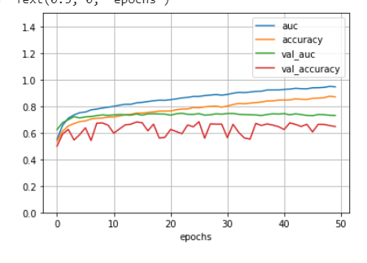
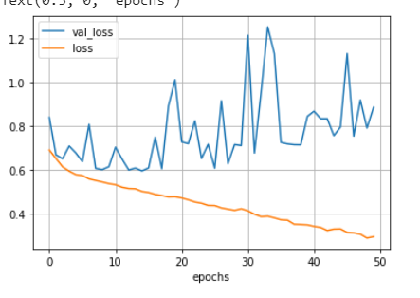
conv5_block13_concat | 512 | adam | 0.001 | 0.4

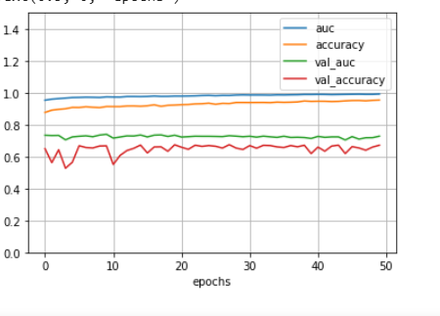
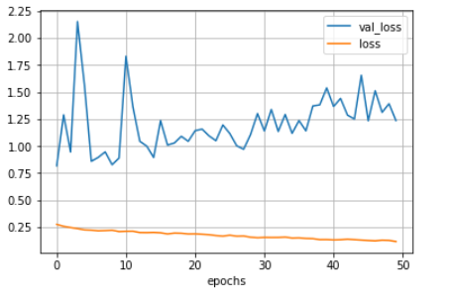
conv5_block13_concat | 1024 | adam | 0.001 | 0.4

after change:
validation_split=0.2
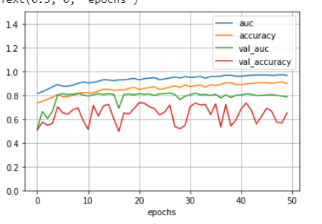
conv5_block13_concat | 1024 | adam | 0.005 | 0.4

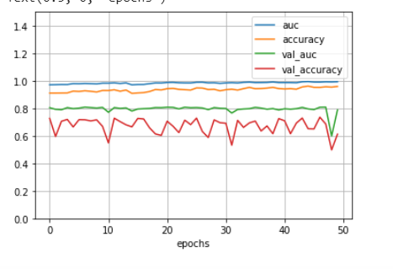
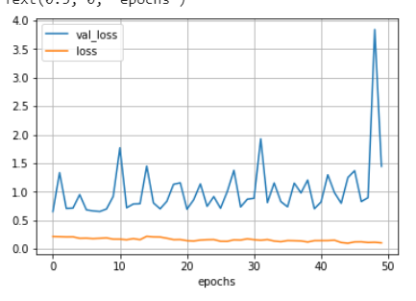
conv5_block13_concat | 1024 | adam | 0.005 | 0.4

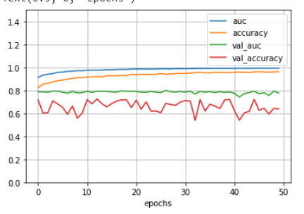
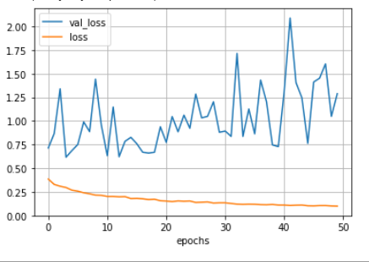
conv5_block13_concat | 128 | adam | 0.005 | 0.4

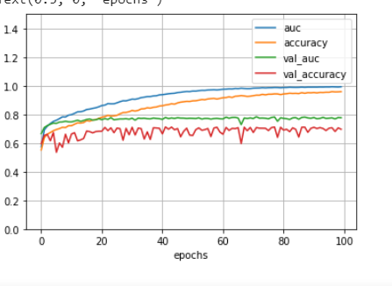
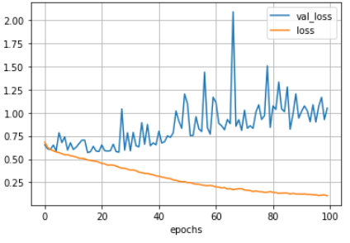
conv5_block13_concat | 128 | adam | 0.001 | 0.4

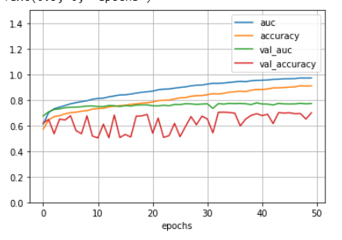
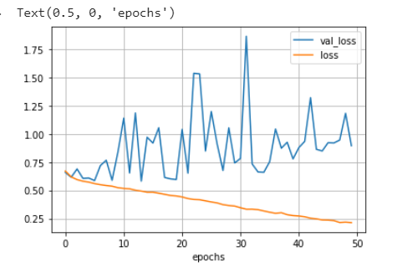
conv5_block10_concat | 128 | adam | 0.001 | 0.2

conv5_block10_concat | 256 | adam | 0.005 | 0.2

גיליון2
layer_taken_from_model | batch_size | optimizer | learning_rate | dropout | validation_split
conv5_block10_concat | 128 | adam | 1.00E-03 | 0.2 | 0.1 | 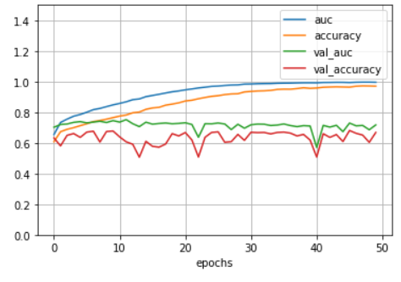
conv5_block10_concat | 128 | adam | 1.00E-04 | 0.2 | 0.1 | 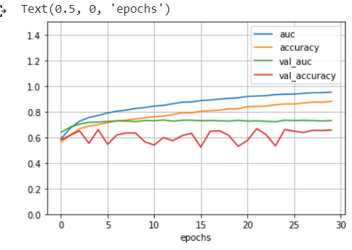
conv5_block10_concat | 128 | adam | 1.00E-04 | 0 | 0.1 | 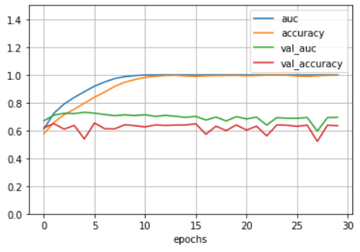
conv5_block10_concat | 128 | adam with beta1 = 0.75 | 1.00E-04 | 0 | 0.1 | 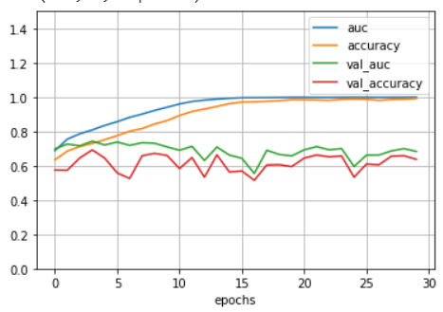
conv5_block10_concat | 128 | adam | 1.00E-04 | 0.5 | 0.1 |  | exp1
conv5_block10_concat | 128 | adam | 1.00E-03 | 0.6 | 0.1
conv5_block10_concat | 128 | adam | 1.00E-03 | 0.8 | 0.1 |  | exp2
conv5_block10_concat | 128 | adam | 1.00E-04 | 0.8 | 0.1
conv5_block10_concat | 128 | rmsprop | 1.00E-03 | 0.8 | 0.1 |  | exp3

